Sheet2
Past Performance
Scheme Name | DSP Equity Savings Fund (DSPESF) |  |  |  |  |  | DSP World Agriculture Fund (DSPWAF) |  |  |  |  |  | DSP World Mining Fund (DSPWMF) |  |  |  |  |  | DSP World Energy Fund (DSPWEF) |  |  |  |  |  | DSP World Gold Fund (DSPWGF) |  |  |  |  |  | DSP Global Allocation Fund (DSPGAF) |  |  |  |  |  | DSP US Flexible^^ Equity Fund (DSPUSFEF) |  |  |  |  |  | DSP Dynamic Asset Allocation Fund (DSPDAAF) |  |  |  |  |  | DSP Flexi Cap Fund (DSPFCF) |  |  |  |  |  | DSP Top 100 Equity Fund (DSPTEF) |  |  |  |  |  | DSP Equity Opportunities Fund (DSPEOF) |  |  |  |  |  | DSP India T.I.G.E.R. Fund (The Infrastructure Growth and Economic Reforms Fund) (DSPITF) |  |  |  |  |  | DSP Mid Cap Fund (DSPMF) |  |  |  |  |  | DSP Natural Resources and New Energy Fund (DSPNRNEF) |  |  |  |  |  | DSP Small Cap Fund (DSPSCF) |  |  |  |  |  | DSP Focus Fund (DSPFF) |  |  |  |  |  | DSP Tax Saver Fund (DSPTSF) |  |  |  |  |  | DSP Equity & Bond Fund (DSPEBF) |  |  |  |  |  | DSP Banking & PSU Debt Fund (DSPBPDF) |  |  |  |  |  | DSP Bond Fund (DSPBF) |  |  |  |  |  | DSP 10Y G-Sec Fund (DSP10YGF) |  |  |  |  |  | DSP Credit Risk Fund (DSPCRF) |  |  |  |  |  | DSP Liquidity Fund (DSPLF) |  |  |  |  |  | DSP Regular Savings Fund (DSPRSF) |  |  |  |  |  | DSP Ultra Short Fund (DSPUSF) |  |  |  |  |  | DSP Short Term Fund (DSPSTF) |  |  |  |  |  | DSP Strategic Bond Fund (DSPSBF) |  |  |  |  |  | DSP Savings Fund (DSPSF) |  |  |  |  |  | DSP Low Duration Fund (DSPLDF) |  |  |  |  |  | DSP Government Securities Fund (DSPGF) |  |  |  |  |  | DSP Nifty 50 Equal Weight Index Fund |  |  |  |  |  | DSP Arbitrage Fund |  |  |  |  |  | DSP NIFTY 1D Rate Liquid ETF |  |  |  |  |  | DSP Corporate Bond Fund |  |  |  |  |  | DSP Healthcare Fund |  |  |  |  |  | DSP Overnight Fund |  |  |  |  |  | DSP Nifty 50 Index Fund |  |  |  |  |  | DSP Nifty Next 50 Index Fund |  |  |  |  |  | DSP Quant Fund |  |  |  |  |  | DSP Value Fund |  |  |  |  |  | DSP Floater Fund |  |  |  |  |  | DSP Nifty 50 Equal Weight ETF |  |  |  |  |  | DSP Nifty 50 ETF
 | DSPESF - Regular Plan | Nifty Equity Savings Index | CRISIL 10 Year Gilt Index | DSPESF - Direct Plan | Nifty Equity Savings Index | CRISIL 10 Year Gilt Index | DSPWAF – Regular Plan | MSCI ACWI Net Total Return | NIFTY 50 TRI | DSPWAF - Direct Plan | MSCI ACWI Net Total Return | NIFTY 50 TRI | DSPWMF – Regular Plan | MSCI ACWI Metals and Mining 30% Buffer 10/40 (1994) Net Total Return Index | NIFTY 50 TRI | DSPWMF - Direct Plan | MSCI ACWI Metals and Mining 30% Buffer 10/40 (1994) Net Total Return Index | NIFTY 50 TRI | DSPWEF – Regular Plan | 50% MSCI World Energy 30% Buffer 10/40 Net Total Return + 50% MSCI World (Net) – Net & Expressed in INR | NIFTY 50 TRI | DSPWEF - Direct Plan | 50% MSCI World Energy 30% Buffer 10/40 Net Total Return + 50% MSCI World (Net) – Net & Expressed in INR | NIFTY 50 TRI | DSPWGF – Regular Plan | FTSE Gold Mine | NIFTY 50 TRI | DSPWGF - Direct Plan | FTSE Gold Mine | NIFTY 50 TRI | DSPGAF – Regular Plan | 36% S&P 500 Composite+ 24% FTSE World (ex-US)+ 24% ML US Treasury Current 5 Year+ 16% Citigroup Non-USD World Government Bond Index | NIFTY 50 TRI | DSPGAF - Direct Plan | 36% S&P 500 Composite+ 24% FTSE World (ex-US)+ 24% ML US Treasury Current 5 Year+ 16% Citigroup Non-USD World Government Bond Index | NIFTY 50 TRI | DSPUSFEF – Regular Plan | Russell 1000 | NIFTY 50 TRI | DSPUSFEF - Direct Plan | Russell 1000 | NIFTY 50 TRI | DSPDAAF – Regular Plan | CRISIL Hybrid 50+50 - Moderate Index | NIFTY 50 TRI | DSPDAAF - Direct Plan | CRISIL Hybrid 50+50 - Moderate Index | NIFTY 50 TRI | DSP Flexi Cap Fund - Regular Plan - IDCW | Nifty 500 TR## | NIFTY 50 TRI | DSP Flexi Cap Fund - Direct Plan | Nifty 500 TR## | NIFTY 50 TRI | DSP Top 100 Equity Fund - Regular Plan | S&P BSE 100 TR## | NIFTY 50 TRI | DSP Top 100 Equity Fund - Direct Plan | S&P BSE 100 TR## | NIFTY 50 TRI | DSP Equity Opportunities Fund - Regular Plan | Nifty LargeMidcap 250 TRI## | NIFTY 50 TRI | DSP Equity Opportunities Fund - Direct Plan | Nifty LargeMidcap 250 TRI## | NIFTY 50 TRI | DSP India Tiger Fund -Regular Plan | S&P BSE India Infrastructure Index TRI## | NIFTY 50 TRI | DSP India Tiger Fund - Direct Plan | S&P BSE India Infrastructure Index TRI## | NIFTY 50 TRI | DSP Mid Cap Fund - Regular Plan | Nifty Midcap 150 TRI## | NIFTY 50 TRI | DSP Mid Cap Fund - Direct Plan | Nifty Midcap 150 TRI## | NIFTY 50 TRI | DSP Natural Resources & New Energy Fund - Regular Plan | Composite Benchmark4 | NIFTY 50 TRI | DSP Natural Resources & New Energy Fund - Direct Plan | Composite Benchmark4 | NIFTY 50 TRI | DSP Small Cap Fund - Regular Plan | S&P BSE 250 Small Cap TRI## | NIFTY 50 TRI | DSP Small Cap Fund - Direct Plan | S&P BSE 250 Small Cap TRI## | NIFTY 50 TRI | DSP Focus Fund - Regular Plan | Nifty 500 TRI## | NIFTY 50 TRI | DSP Focus Fund - Direct Plan | Nifty 500 TRI## | NIFTY 50 TRI | DSP Tax Saver Fund - Regular Plan | Nifty 500 TR## | NIFTY 50 TRI | DSP Tax Saver Fund - Direct Plan | Nifty 500 TR## | NIFTY 50 TRI | DSP Equity & Bond Fund - Regular Plan | CRISIL Hybrid 35+65 - Aggressive Index | NIFTY 50 TRI | DSP Equity & Bond Fund - Direct Plan | CRISIL Hybrid 35+65 - Aggressive Index | NIFTY 50 TRI | DSPBPDF – Regular Plan | Nifty Banking & PSU Debt Index | CRISIL 10 Year Gilt Index | DSPBPDF – Direct Plan | Nifty Banking & PSU Debt Index | CRISIL 10 Year Gilt Index | DSPBF – Regular Plan | CRISIL Medium Duration Fund BIII Index | CRISIL 10 Year Gilt Index | DSPBF – Direct Plan | CRISIL Medium Duration Fund BIII Index | CRISIL 10 Year Gilt Index | DSP10GYF – Regular Plan | CRISIL 10 Year Gilt Index | CRISIL 10 Year Gilt Index | DSP10GYF – Direct Plan | CRISIL 10 Year Gilt Index | CRISIL 10 Year Gilt Index | DSPCRF – Regular Plan | CRISIL Credit Risk Fund CIII Index | CRISIL 10 Year Gilt Index | DSPCRF – Direct Plan | CRISIL Credit Risk Fund CIII Index | CRISIL 10 Year Gilt Index | DSPLF – Regular Plan Plan | CRISIL Liquid Fund BI Index | CRISIL 1 Year T-Bill Index | DSPLF – Direct Plan | CRISIL Liquid Fund BI Index | CRISIL 1 Year T-Bill Index | DSPRSF – Regular Plan | CRISIL Hybrid 85+15 - Conservative Index | CRISIL 10 Year Gilt Index | DSPRSF – Direct Plan | CRISIL Hybrid 85+15 - Conservative Index | CRISIL 10 Year Gilt Index | DSPUSF – Regular Plan | CRISIL Ultra Short Duration Fund BI Index | CRISIL 1 Year T-Bill Index | DSPUSF – Direct Plan | CRISIL Ultra Short Duration Fund BI Index | CRISIL 1 Year T-Bill Index | DSPSTF – Regular Plan | CRISIL Short Duration Fund AII Index | CRISIL 10 Year Gilt Index | DSPSTF – Direct Plan | CRISIL Short Duration Fund AII Index | CRISIL 10 Year Gilt Index | DSPSBF- Regular Plan | CRISIL Dynamic Bond Fund BIII Index | CRISIL 10 Year Gilt Index | DSPSBF- Direct Plan | CRISIL Dynamic Bond Fund BIII Index | CRISIL 10 Year Gilt Index | DSPSF – Regular Plan | CRISIL Money Market Fund BI Index | CRISIL 1 Year T-Bill Index | DSPSF – Direct Plan | CRISIL Money Market Fund BI Index | CRISIL 1 Year T-Bill Index | DSPLDF – Regular Plan | NIFTY Low Duration Debt Index B-I | CRISIL 1 Year T-Bill Index | DSPLDF – Direct Plan | NIFTY Low Duration Debt Index B-I | CRISIL 1 Year T-Bill Index | DSPGF – Regular Plan | Crisil Dynamic Gilt Index | CRISIL 10 Year Gilt Index | DSPGF – Direct Plan | Crisil Dynamic Gilt Index | CRISIL 10 Year Gilt Index | DSP Nifty 50 Equal Weight Index Fund - Regular Plan - Growth | NIFTY 50 Equal Weight Index | NIFTY 50 TRI | DSP Nifty 50 Equal Weight Index Fund - Direct Plan - Growth | NIFTY 50 Equal Weight Index | NIFTY 50 TRI | DSP Arbitrage Fund - Regular Plan | Nifty 50 Arbitrage Index | CRISIL 10 Year Gilt Index | DSP Arbitrage Fund - Direct Plan | Nifty 50 Arbitrage Index | CRISIL 10 Year Gilt Index | DSP Liquid ETF Regular Plan | Nifty 1D Rate Index | Crisil 1 Year T-Bill Index | DSP Liquid ETF Direct Plan | Nifty 1D Rate Index | Crisil 1 Year T-Bill Index | DSP Corporate Bond Fund - Regular Plan | CRISIL Corporate Bond Fund BIII Index | CRISIL 10 Year Gilt Index | DSP Corporate Bond Fund – Direct Plan | CRISIL Corporate Bond Fund BIII Index | CRISIL 10 Year Gilt Index | DSP Healthcare Fund - Regular Plan | S&P BSE Healthcare Index | NIFTY 50 TRI | DSP Healthcare Fund – Direct Plan | S&P BSE Healthcare Index | NIFTY 50 TRI | DSP Overnight Fund - Regular Plan | CRISIL Overnight Fund AI Index | CRISIL 1 Year T-Bill Index | DSP Overnight Fund – Direct Plan | CRISIL Overnight Fund AI Index | CRISIL 1 Year T-Bill Index | DSP Nifty 50 Index Fund - Regular Plan | Nifty 50 Index | NIFTY 50 TRI | DSP Nifty 50 Index Fund - Direct Plan | Nifty 50 Index | NIFTY 50 TRI | DSP Nifty Next 50 Index Fund - Regular Plan | Nifty Next 50 Index | NIFTY 50 TRI | DSP Nifty Next 50 Index Fund - Direct Plan | Nifty Next 50 Index | NIFTY 50 TRI | DSP Quant Fund - Regular Plan | S&P BSE 200 TRI Index | NIFTY 50 TRI | DSP Quant Fund - Direc Plan | S&P BSE 200 TRI Index | NIFTY 50 TRI | DSP Value Fund - Regular Plan | NIFTY 500 TRI | NIFTY 50 TRI | DSP Value Fund - Direc Plan | NIFTY 500 TRI | NIFTY 50 TRI | DSP Floater Fund - Regular Plan - Growth | CRISIL Short Term Bond Fund Index | CRISIL 10 Year Gilt Index | DSP Floater Fund - Direct Plan - Growth | CRISIL Short Term Bond Fund Index | CRISIL 10 Year Gilt Index | DSP Nifty 50 Equal Weight ETF | NIFTY 50 Equal Weight Index TRI | Nifty 50 TRI | DSP Nifty 50 Equal Weight ETF - Direct Plan | NIFTY 50 Equal Weight Index TRI | Nifty 50 TRI | DSP Nifty 50 ETF | Nifty 50 TRI
Last 1 Year | 3.98% | 4.43% | 2.00% | 4.90% | 4.43% | 2.00% | -3.73% | 0.35% | 4.27% | -3.46% | 0.35% | 4.27% | -0.23% | -1.24% | 4.27% | 0.48% | -1.24% | 4.27% | 9.64% | 14.02% | 4.27% | 10.32% | 14.02% | 4.27% | -14.77% | -14.50% | 4.27% | -14.21% | -14.50% | 4.27% | -0.06% | 0.11% | 4.27% | 0.61% | 0.11% | 4.27% | 4.55% | 0.41% | 4.27% | 5.48% | 0.41% | 4.27% | 1.89% | 3.19% | 4.27% | 3.15% | 3.19% | 4.27% | 1.85% | 2.58% | 4.27% | 2.99% | 2.58% | 4.27% | 6.01% | 4.40% | 4.27% | 6.86% | 4.40% | 4.27% | 6.04% | 4.93% | 4.27% | 7.06% | 4.93% | 4.27% | 16.27% | 3.06% | 4.27% | 17.26% | 3.06% | 4.27% | -0.70% | 8.28% | 4.27% | 0.31% | 8.28% | 4.27% | 3.03% | 9.81% | 4.27% | 4.22% | 9.81% | 4.27% | 5.75% | 4.12% | 4.27% | 6.72% | 4.12% | 4.27% | 1.30% | 2.58% | 4.27% | 2.40% | 2.58% | 4.27% | 4.13% | 2.58% | 4.27% | 5.16% | 2.58% | 4.27% | 2.02% | 3.15% | 4.27% | 3.09% | 3.15% | 4.27% | 3.29% | 3.13% | 2.00% | 3.55% | 3.13% | 2.00% | 2.93% | 3.68% | 2.00% | 3.29% | 3.68% | 2.00% | 1.52% | 2.00% | 2.00% | 1.73% | 2.00% | 2.00% | 9.54% | 5.95% | 2.00% | 10.44% | 5.95% | 2.00% | 5.29% | 5.56% | 4.21% | 5.39% | 5.56% | 4.21% | 2.92% | 3.08% | 2.00% | 3.60% | 3.08% | 2.00% | 4.48% | 5.78% | 4.21% | 5.23% | 5.78% | 4.21% | 3.06% | 3.53% | 2.00% | 3.70% | 3.53% | 2.00% | 1.85% | 4.15% | 2.00% | 2.50% | 4.15% | 2.00% | 4.46% | 5.52% | 4.21% | 4.72% | 5.52% | 4.21% | 4.52% | 5.15% | 4.21% | 4.83% | 5.15% | 4.21% | 3.19% | 2.92% | 2.00% | 3.75% | 2.92% | 2.00% | 3.61% | 4.56% | 4.27% | 4.11% | 4.56% | 4.27% | 4.50% | 4.57% | 4.21% | 5.13% | 4.57% | 4.21% | 4.63% | 5.25% | 4.21% | NA | NA | NA | 1.73% | 3.26% | 2.00% | 1.99% | 3.26% | 2.00% | -2.21% | -6.85% | 4.27% | -0.85% | -6.85% | 4.27% | 5.10% | 5.26% | 4.21% | 5.19% | 5.26% | 4.21% | 3.83% | 4.27% | 4.27% | 4.02% | 4.27% | 4.27% | -6.50% | -6.03% | 4.27% | -6.22% | -6.03% | 4.27% | -3.15% | 2.88% | 4.27% | -2.44% | 2.88% | 4.27% | 3.65% | 2.58% | 4.27% | 4.43% | 2.58% | 4.27% | 3.89% | 3.71% | 2.00% | 4.16% | 3.71% | 2.00% | 4.20% | 4.56% | 4.27% | NA | NA | NA | 4.18% | 4.27%
Last 3 Year | 8.54% | 9.59% | 2.93% | 9.92% | 9.59% | 2.93% | 8.03% | 13.66% | 16.98% | 8.26% | 13.66% | 16.98% | 29.05% | 25.48% | 16.98% | 29.87% | 25.48% | 16.98% | 14.61% | 21.71% | 16.98% | 15.29% | 21.71% | 16.98% | 4.08% | 4.42% | 16.98% | 4.75% | 4.42% | 16.98% | 8.70% | 9.40% | 16.98% | 9.40% | 9.40% | 16.98% | 19.01% | 16.91% | 16.98% | 20.01% | 16.91% | 16.98% | 7.06% | 12.06% | 16.98% | 8.55% | 12.06% | 16.98% | 12.78% | 17.55% | 16.98% | 14.56% | 17.55% | 16.98% | 10.70% | 17.39% | 16.98% | 11.57% | 17.39% | 16.98% | 15.95% | 19.64% | 16.98% | 17.06% | 19.64% | 16.98% | 22.95% | 24.90% | 16.98% | 23.85% | 24.90% | 16.98% | 12.67% | 23.14% | 16.98% | 13.78% | 23.14% | 16.98% | 27.73% | 27.60% | 16.98% | 29.18% | 27.60% | 16.98% | 25.47% | 24.36% | 16.98% | 26.59% | 24.36% | 16.98% | 10.31% | 17.55% | 16.98% | 11.50% | 17.55% | 16.98% | 17.92% | 17.55% | 16.98% | 19.05% | 17.55% | 16.98% | 11.31% | 13.86% | 16.98% | 12.45% | 13.86% | 16.98% | 5.20% | 5.36% | 2.93% | 5.47% | 5.36% | 2.93% | 4.66% | 6.71% | 2.93% | 5.03% | 6.71% | 2.93% | 3.15% | 2.93% | 2.93% | 3.36% | 2.93% | 2.93% | 5.25% | 7.86% | 2.93% | 6.12% | 7.86% | 2.93% | 4.14% | 4.48% | 4.44% | 4.23% | 4.48% | 4.44% | 6.55% | 7.38% | 2.93% | 7.89% | 7.38% | 2.93% | 3.91% | 5.17% | 4.44% | 4.65% | 5.17% | 4.44% | 4.60% | 5.23% | 2.93% | 5.25% | 5.23% | 2.93% | 4.33% | 6.91% | 2.93% | 5.00% | 6.91% | 2.93% | 4.50% | 4.75% | 4.44% | 4.74% | 4.75% | 4.44% | 4.69% | 5.29% | 4.44% | 4.99% | 5.29% | 4.44% | 5.22% | 4.89% | 2.93% | 5.78% | 4.89% | 2.93% | 20.25% | 22.33% | 16.98% | 20.78% | 22.33% | 16.98% | 3.75% | 3.57% | 4.44% | 4.37% | 3.57% | 4.44% | 3.41% | 3.90% | 4.44% | NA | NA | NA | 4.47% | 6.20% | 2.93% | 4.74% | 6.20% | 2.93% | 20.55% | 17.76% | 16.98% | 22.34% | 17.76% | 16.98% | 3.81% | 3.90% | 4.44% | 3.89% | 3.90% | 4.44% | 16.17% | 16.98% | 16.98% | 16.39% | 16.98% | 16.98% | 11.92% | 13.02% | 16.98% | 12.25% | 13.02% | 16.98% | 12.85% | 17.48% | 16.98% | 13.67% | 17.48% | 16.98% | NA | NA | NA | NA | NA | NA | NA | NA | NA | NA | NA | NA | NA | NA | NA | NA | NA | NA | NA | NA
Last 5 Year | 6.18% | 8.32% | 6.09% | 7.64% | 8.32% | 6.09% | 4.49% | 10.96% | 11.89% | 4.76% | 10.96% | 11.89% | 14.05% | 12.35% | 11.89% | 14.74% | 12.35% | 11.89% | 6.27% | 12.92% | 11.89% | 6.80% | 12.92% | 11.89% | 7.17% | 10.49% | 11.89% | 7.79% | 10.49% | 11.89% | 7.07% | 9.25% | 11.89% | 7.70% | 9.25% | 11.89% | 12.96% | 15.00% | 11.89% | 13.83% | 15.00% | 11.89% | 6.83% | 9.88% | 11.89% | 8.41% | 9.88% | 11.89% | 10.18% | 10.66% | 11.89% | 11.87% | 10.66% | 11.89% | 7.66% | 11.51% | 11.89% | 8.47% | 11.51% | 11.89% | 10.14% | 11.40% | 11.89% | 11.21% | 11.40% | 11.89% | 10.17% | 5.58% | 11.89% | 10.90% | 5.58% | 11.89% | 8.37% | 11.85% | 11.89% | 9.39% | 11.85% | 11.89% | 8.85% | 10.36% | 11.89% | 9.94% | 10.36% | 11.89% | 10.61% | 7.23% | 11.89% | 11.52% | 7.23% | 11.89% | 7.48% | 10.66% | 11.89% | 8.59% | 10.66% | 11.89% | 11.82% | 10.66% | 11.89% | 12.90% | 10.66% | 11.89% | 9.50% | 10.44% | 11.89% | 10.62% | 10.44% | 11.89% | 6.65% | 6.59% | 6.09% | 6.95% | 6.59% | 6.09% | 4.58% | 7.62% | 6.09% | 4.99% | 7.62% | 6.09% | 6.27% | 6.09% | 6.09% | 6.50% | 6.09% | 6.09% | 3.71% | 8.31% | 6.09% | 4.54% | 8.31% | 6.09% | 5.21% | 5.41% | 5.55% | 5.30% | 5.41% | 5.55% | 4.55% | 8.16% | 6.09% | 6.00% | 8.16% | 6.09% | 4.78% | 6.22% | 5.55% | 5.54% | 6.22% | 5.55% | 6.01% | 6.64% | 6.09% | 6.73% | 6.64% | 6.09% | 6.73% | 7.89% | 6.09% | 7.37% | 7.89% | 6.09% | 5.70% | 5.78% | 5.55% | 5.95% | 5.78% | 5.55% | 6.04% | 6.29% | 5.55% | 6.35% | 6.29% | 5.55% | 8.07% | 7.26% | 6.09% | 8.73% | 7.26% | 6.09% | 9.41% | 10.95% | 11.89% | 9.93% | 10.95% | 11.89% | 4.75% | 4.50% | 5.55% | 5.38% | 4.50% | 5.55% | NA | NA | NA | NA | NA | NA | NA | NA | NA | NA | NA | NA | NA | NA | NA | NA | NA | NA | NA | NA | NA | NA | NA | NA | NA | NA | NA | NA | NA | NA | NA | NA | NA | NA | NA | NA | NA | NA | NA | NA | NA | NA | NA | NA | NA | NA | NA | NA | NA | NA | NA | NA | NA | NA | NA | NA | NA | NA | NA | NA | NA | NA
Last 10 Year | NA | NA | NA | NA | NA | NA | 5.02% | 12.53% | 13.14% | 5.33% | 12.53% | 13.14% | 5.76% | 7.27% | 13.14% | 6.37% | 7.27% | 13.14% | 4.08% | 10.86% | 13.14% | 4.46% | 10.86% | 13.14% | 0.42% | 2.12% | 13.14% | 0.93% | 2.12% | 13.14% | NA | NA | NA | NA | NA | NA | 14.51% | 16.87% | 13.14% | 15.33% | 16.87% | 13.14% | NA | NA | NA | NA | NA | NA | 14.27% | 13.78% | 13.14% | 15.50% | 13.78% | 13.14% | 10.73% | 13.40% | 13.14% | 11.48% | 13.40% | 13.14% | 15.34% | 15.76% | 13.14% | 16.33% | 15.76% | 13.14% | 14.42% | NA | 13.14% | 15.11% | NA | 13.14% | 16.90% | 18.08% | 13.14% | 17.87% | 18.08% | 13.14% | 16.62% | 10.76% | 13.14% | 17.55% | 10.76% | 13.14% | 21.77% | 13.74% | 13.14% | 22.65% | 13.74% | 13.14% | 12.23% | 13.78% | 13.14% | 13.18% | 13.78% | 13.14% | 16.33% | 13.78% | 13.14% | 17.34% | 13.78% | 13.14% | 12.98% | 12.07% | 13.14% | 14.01% | 12.07% | 13.14% | NA | NA | NA | NA | NA | NA | 6.18% | 8.50% | 5.96% | 6.72% | 8.50% | 5.96% | NA | NA | NA | NA | NA | NA | 6.30% | 9.25% | 5.96% | 7.03% | 9.25% | 5.96% | 6.63% | 6.73% | 6.29% | 6.73% | 6.73% | 6.29% | 7.14% | 8.86% | 5.96% | 8.23% | 8.86% | 5.96% | 6.30% | 7.28% | 6.29% | 7.00% | 7.28% | 6.29% | 7.06% | 7.61% | 5.96% | 7.79% | 7.61% | 5.96% | 7.30% | 8.60% | 5.96% | 7.81% | 8.60% | 5.96% | 6.62% | 6.96% | 6.29% | 6.88% | 6.96% | 6.29% | NA | NA | NA | NA | NA | NA | 7.44% | 7.31% | 5.96% | 7.96% | 7.31% | 5.96% | NA | NA | NA | NA | NA | NA | NA | NA | NA | NA | NA | NA | NA | NA | NA | NA | NA | NA | NA | NA | NA | NA | NA | NA | NA | NA | NA | NA | NA | NA | NA | NA | NA | NA | NA | NA | NA | NA | NA | NA | NA | NA | NA | NA | NA | NA | NA | NA | NA | NA | NA | NA | NA | NA | NA | NA | NA | NA | NA | NA | NA | NA | NA | NA | NA | NA | NA | NA | NA | NA | NA | NA | NA | NA
Since Inception | 7.56% | 9.11% | 5.62% | 9.03% | 9.11% | 5.62% | 6.21% | 13.94% | 12.63% | 5.04% | 12.61% | 12.36% | 3.84% | 4.98% | 10.90% | 4.73% | 6.07% | 12.33% | 4.10% | 11.56% | 11.63% | 4.57% | 10.59% | 12.33% | 2.85% | 3.11% | 10.36% | -1.19% | 0.14% | 12.36% | 6.09% | 8.62% | 10.96% | 6.61% | 8.62% | 10.96% | 14.53% | 16.86% | 13.36% | 15.40% | 17.09% | 12.33% | 7.84% | 11.81% | 13.70% | 9.12% | 11.81% | 13.70% | 18.41% | 14.24% | 12.80% | 14.02% | 12.81% | 12.44% | 18.30% | 17.34% | 16.88% | 10.43% | 12.60% | 12.44% | 16.93% | NA | 13.52% | 15.21% | 14.58% | 12.44% | 15.92% | NA | 15.38% | 13.48% | NA | 12.44% | 13.95% | 13.61% | 10.96% | 15.90% | 16.49% | 12.44% | 12.26% | 6.85% | 9.87% | 15.90% | 10.00% | 12.33% | 16.46% | NA | 10.77% | 20.59% | 11.64% | 12.44% | 9.65% | 11.44% | 11.45% | 11.87% | 12.81% | 12.44% | 13.83% | 10.67% | 10.64% | 16.17% | 12.81% | 12.44% | 14.08% | NA | 13.84% | 12.93% | 11.51% | 12.44% | 7.62% | 7.61% | 6.46% | 7.94% | 7.61% | 6.46% | 7.69% | NA | NA | 6.79% | 8.49% | 6.08% | 7.05% | 6.58% | 6.58% | 7.30% | 6.58% | 6.58% | 6.35% | 8.66% | 5.67% | 7.03% | 9.22% | 6.08% | 6.90% | 6.81% | 6.02% | 6.76% | 6.75% | 6.33% | 8.36% | 8.36% | 5.46% | 7.96% | 8.73% | 6.08% | 6.64% | 7.54% | 6.07% | 7.01% | 7.28% | 6.32% | 6.88% | 7.02% | 6.10% | 7.77% | 7.60% | 6.08% | 7.32% | 9.35% | 5.96% | 7.85% | 8.60% | 6.08% | 6.58% | 7.11% | 6.28% | 6.89% | 6.97% | 6.32% | 6.69% | 6.87% | 6.06% | 7.02% | 6.87% | 6.06% | 9.20% | 8.63% | NA | 8.05% | 7.40% | 6.08% | 8.62% | 10.11% | 11.75% | 9.13% | 10.11% | 11.75% | 4.81% | 4.44% | 5.54% | 5.44% | 4.44% | 5.54% | 4.26% | 4.68% | 5.52% | NA | NA | NA | 6.73% | 7.23% | 6.54% | 7.00% | 7.23% | 6.54% | 18.82% | 10.90% | 12.86% | 20.71% | 10.90% | 12.86% | 4.29% | 4.37% | 5.20% | 4.38% | 4.37% | 5.20% | 13.04% | 13.81% | 13.81% | 13.26% | 13.81% | 13.81% | 9.42% | 10.52% | 13.81% | 9.75% | 10.52% | 13.81% | 12.01% | 12.52% | 11.86% | 12.85% | 12.52% | 11.86% | 12.84% | 13.88% | 13.23% | 13.70% | 13.88% | 13.23% | 4.27% | 4.65% | 1.75% | 4.55% | 4.65% | 1.75% | -1.74% | -1.39% | -2.16% | NA | NA | NA | 2.20% | 2.34%
Nav/ Index value | 16.57 | 4,829.32 | 4,134.12 | 18.20 | 4,829.32 | 4,134.12 | 19.84 | 27,319.32 | 25,184.47 | 20.44 | 27,319.32 | 25,184.47 | 16.43 | 391,477.16 | 25,184.47 | 17.41 | 391,477.16 | 25,184.47 | 17.24 | 440.52 | 25,184.47 | 17.89 | 440.52 | 25,184.47 | 15.45 | 188,959.12 | 25,184.47 | 16.27 | 188,959.12 | 25,184.47 | 16.55 | 202.50 | 25,184.47 | 17.27 | 202.50 | 25,184.47 | 41.99 | 1,103,080.00 | 25,184.47 | 45.13 | 1,103,080.00 | 25,184.47 | 19.82 | 11,104.05 | 25,184.47 | 22.07 | 11,104.05 | 25,184.47 | 50.15 | 22,546.35 | 25,184.47 | 68.52 | 22,546.35 | 25,184.47 | 287.60 | 21,916.57 | 25,184.47 | 308.20 | 21,916.57 | 25,184.47 | 353.98 | 12,182.51 | 25,184.47 | 386.16 | 12,182.51 | 25,184.47 | 159.08 | 374.23 | 25,184.47 | 169.09 | 374.23 | 25,184.47 | 84.10 | 14,274.97 | 25,184.47 | 91.45 | 14,274.97 | 25,184.47 | 55.70 | 267.45 | 25,184.47 | 60.37 | 267.45 | 25,184.47 | 109.79 | 4,527.99 | 25,184.47 | 118.14 | 4,527.99 | 25,184.47 | 32.31 | 22,546.35 | 25,184.47 | 35.19 | 22,546.35 | 25,184.47 | 80.70 | 22,546.35 | 25,184.47 | 87.68 | 22,546.35 | 25,184.47 | 228.95 | 14,241.25 | 25,184.47 | 251.12 | 14,241.25 | 25,184.47 | 20.03 | 4,816.74 | 4,134.12 | 20.62 | 4,816.74 | 4,134.12 | 67.93 | 4,294.65 | 4,134.12 | 71.53 | 4,294.65 | 4,134.12 | 17.77 | 4,134.12 | 4,134.12 | 18.11 | 4,134.12 | 4,134.12 | 33.89 | 5,932.73 | 4,134.12 | 36.33 | 5,932.73 | 4,134.12 | 3,167.67 | 3,704.78 | 6,566.86 | 3,196.70 | 3,704.78 | 6,566.86 | 45.01 | 5,692.98 | 4,134.12 | 49.92 | 5,692.98 | 4,134.12 | 2,904.10 | 6,889.66 | 6,566.86 | 3,104.83 | 6,889.66 | 6,566.86 | 39.10 | 4,184.30 | 4,134.12 | 41.87 | 4,184.30 | 4,134.12 | 2,748.72 | 5,626.06 | 4,134.12 | 2,884.63 | 5,626.06 | 4,134.12 | 44.53 | 7,974.18 | 6,566.86 | 45.64 | 7,974.18 | 6,566.86 | 16.76 | 4,723.38 | 6,566.86 | 17.18 | 4,723.38 | 6,566.86 | 78.59 | 10,733.04 | 4,134.12 | 82.60 | 10,733.04 | 4,134.12 | 15.57 | 32,486.66 | 25,184.47 | 15.97 | 32,486.66 | 25,184.47 | 12.70 | 2,112.21 | 6,566.86 | 13.10 | 2,112.21 | 6,566.86 | 1,000.00 | 2103.68 | 6566.86 | NA | NA | NA | 13.38 | 5,200.39 | 4,134.12 | 13.53 | 5,200.39 | 4,134.12 | 20.81 | 24,653.80 | 25,184.47 | 22.25 | 24,653.80 | 25,184.47 | 1,189.93 | 3,015.43 | 6,566.86 | 1,194.10 | 3,015.43 | 6,566.86 | 16.37 | 25,184.47 | 25,184.47 | 16.50 | 25,184.47 | 25,184.47 | 14.37 | 52,428.35 | 25,184.47 | 14.54 | 52,428.35 | 25,184.47 | 15.26 | 9,172.90 | 25,184.47 | 15.69 | 9,172.90 | 25,184.47 | 13.08 | 22,546.35 | 25,184.47 | 13.30 | 22,546.35 | 25,184.47 | 10.85 | 4,231.74 | 4,134.12 | 10.91 | 4,231.74 | 4,134.12 | 197.91 | 32,486.66 | 25,184.47 | NA | NA | NA | 175.19 | 25,184.47
Date of allotment | 28-Mar-16 |  |  | 28-Mar-16 |  |  | 19-Oct-11 |  |  | 2-Jan-13 |  |  | 29-Dec-09 |  |  | 3-Jan-13 |  |  | 14-Aug-09 |  |  | 3-Jan-13 |  |  | 14-Sep-07 |  |  | 2-Jan-13 |  |  | 21-Aug-14 |  |  | 21-Aug-14 |  |  | 3-Aug-12 |  |  | 3-Jan-13 |  |  | 6-Feb-14 |  |  | 6-Feb-14 |  |  | 29-Apr-97 |  |  | 1-Jan-13 |  |  | 10-Mar-03 |  |  | 1-Jan-13 |  |  | 16-May-00 |  |  | 1-Jan-13 |  |  | 11-Jun-04 |  |  | 1-Jan-13 |  |  | 14-Nov-06 |  |  | 1-Jan-13 |  |  | 25-Apr-08 |  |  | 3-Jan-13 |  |  | 14-Jun-07 |  |  | 1-Jan-13 |  |  | 10-Jun-10 |  |  | 1-Jan-13 |  |  | 18-Jan-07 |  |  | 1-Jan-13 |  |  | 27-May-99 |  |  | 1-Jan-13 |  |  | 14-Sep-13 |  |  | 14-Sep-13 |  |  | 29-Apr-97 |  |  | 1-Jan-13 |  |  | 26-Sep-14 |  |  | 26-Sep-14 |  |  | 13-May-03 |  |  | 1-Jan-13 |  |  | 23-Nov-05 |  |  | 31-Dec-12 |  |  | 11-Jun-04 |  |  | 2-Jan-13 |  |  | 31-Jul-06 |  |  | 1-Jan-13 |  |  | 9-Sep-02 |  |  | 1-Jan-13 |  |  | 12-Nov-08 |  |  | 1-Jan-13 |  |  | 30-Sep-99 |  |  | 1-Jan-13 |  |  | 10-Mar-15 |  |  | 10-Mar-15 |  |  | 30-Sep-99 |  |  | 1-Jan-13 |  |  | 23-Oct-17 |  |  | 23-Oct-17 |  |  | 25-Jan-18 |  |  | 25-Jan-18 |  |  | 14-Mar-18 |  |  | 14-Mar-18 |  |  | 10-Sep-18 |  |  | 10-Sep-18 |  |  | 30-Nov-18 |  |  | 30-Nov-18 |  |  | 9-Jan-19 |  |  | 9-Jan-19 |  |  | 25-Feb-19 |  |  | 25-Feb-19 |  |  | 25-Feb-19 |  |  | 25-Feb-19 |  |  | 10-Jun-19 |  |  | 10-Jun-19 |  |  | 10-Dec-20 |  |  | 10-Dec-20 |  |  | 19-Mar-21 |  |  | 19-Mar-21 |  |  | 8-Nov-21 |  |  | 8-Nov-21 |  |  | 23-Dec-21

Scheme benchmark Name- | Nifty Equity Savings Index |  |  |  |  |  | MSCI ACWI Net TR |  |  |  |  |  | MSCI ACWI Metals and Mining 30% Buffer 10/40 (1994) Net Total Return Index |  |  |  |  |  | 50% MSCI World Energy 30% Buffer 10/40 Net Total Return + 50% MSCI World (Net) – Net & Expressed in INR |  |  |  |  |  | FTSE Gold Mine TR |  |  |  |  |  | 36% S&P 500 Composite+ 24% FTSE World (ex-US)+ 24% ML US Treasury Current 5 Year+ 16% Citigroup Non-USD World Government Bond Index |  |  |  |  |  | Russell 1000 TR |  |  |  |  |  | CRISIL Hybrid 50+50 - Moderate Index |  |  |  |  |  | Nifty 500 TRI |  |  |  |  |  | S&P BSE 100 TRI |  |  |  |  |  | NIFTY Large Midcap 250 TRI |  |  |  |  |  | S&P BSE India Infrastructure Index TRI |  |  |  |  |  | Nifty Midcap 150 TRI |  |  |  |  |  | 35% S&P BSE Oil & Gas Index + 30% S&P BSE Metal Index + 35% MSCI World Energy 30% Buffer 10/40 Net Total Return |  |  |  |  |  | S&P BSE Small Cap TRI |  |  |  |  |  | Nifty 500 TRI |  |  |  |  |  | Nifty 500 TRI |  |  |  |  |  | CRISIL Hybrid 35+65 - Aggressive Index |  |  |  |  |  | NIFTY Banking & PSU Debt Index |  |  |  |  |  | CRISIL Medium Duration Fund BIII Index |  |  |  |  |  | CRISIL 10 Year Gilt Index |  |  |  |  |  | CRISIL Credit Risk Fund CIII Index |  |  |  |  |  | CRISIL Liquid Fund BI Index |  |  |  |  |  | CRISIL Hybrid 85+15 - Conservative Index |  |  |  |  |  | CRISIL Ultra Short Duration Fund BI Index |  |  |  |  |  | CRISIL Short Duration Fund AII Index |  |  |  |  |  | CRISIL Dynamic Bond Fund BIII Index |  |  |  |  |  | CRISIL Money Market Fund BI Index |  |  |  |  |  | NIFTY Low Duration Debt Index B-I |  |  |  |  |  | Crisil dynamic gilt index |  |  |  |  |  | Nifty 50 Equal Weight TRI |  |  |  |  |  | Nifty 50 Arbitrage Index |  |  |  |  |  | Nifty 1D Rate Index |  |  |  |  |  | CRISIL Corporate Bond Fund BIII Index |  |  |  |  |  | S&P BSE Healthcare TRI |  |  |  |  |  | CRISIL Overnight Fund AI Index |  |  |  |  |  | Nifty 50 TRI |  |  |  |  |  | Nifty Next 50 TRI |  |  |  |  |  | S&P BSE 200 TRI |  |  |  |  |  | NIFTY 500 TRI |  |  |  |  |  | CRISIL Short Term Bond Fund Index |  |  |  |  |  |  |  | NIFTY 50 Equal Weight Index TRI
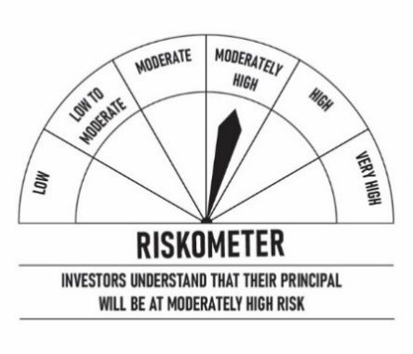
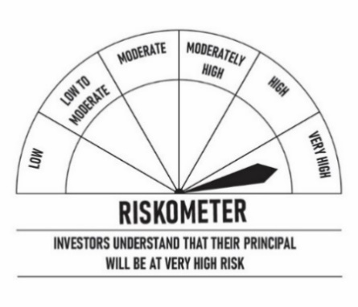
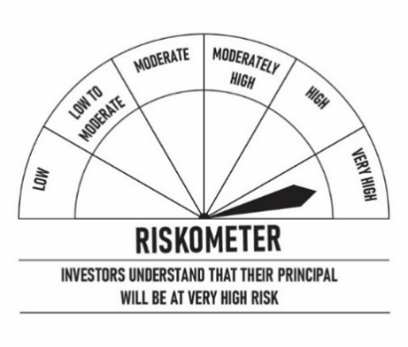
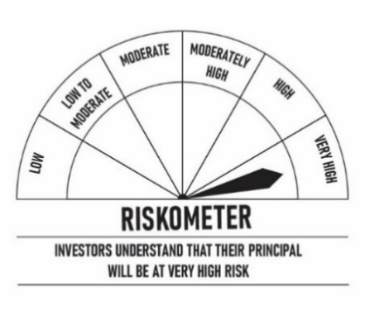


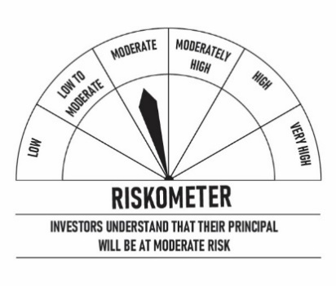
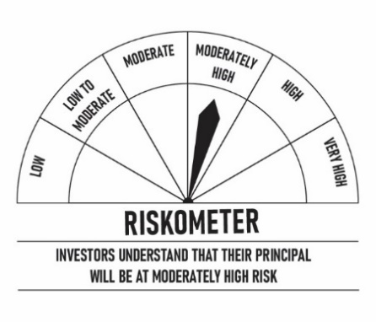
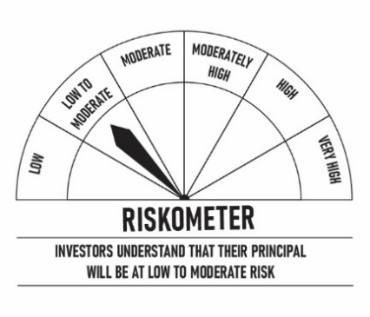
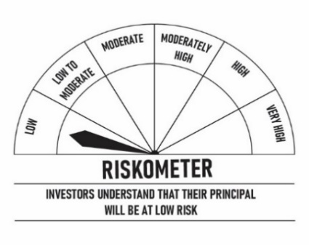


Scheme Risk-o-meter-



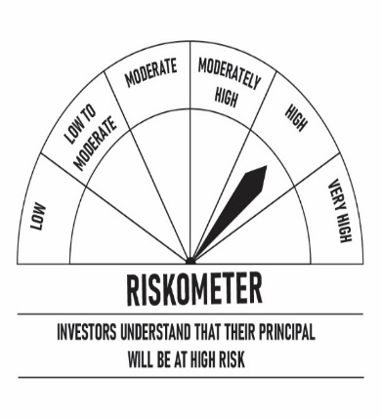


Benchmark Risk-o-Meter-



Notes relating to performance:
All returns are for Growth option except in case of DSP Flexi Cap Fund - Regular Plan - IDCW where presented returns assumes reinvestment of dividends
Returns greater than 1 year are in compounded annualised term and less than 1 year are in absolute term for Equity/Hybrid scheme whereas it is in simple annualised term for Debt scheme.
All benchmark returns are computed basis on Total Return Index.
##Total Return (TR) Index: Total return index calculation consider over a given evaluation period. Total return includes interest, capital gains, dividends and distributionsthe actual rate of return of an investment or a pool of investments over a given evaluation period. Total return includes interest, capital gains, dividends and distributions realized over a given period of time
For DSP Liquid ETF performance is computed net of fees and gross dividend reinvestment
Composite Benchmark4 = (30% S&P BSE Metals TR + 35% S&P BSE Oil & Gas TR + 35%MSCI World Energy 30% Buffer 10/40 Index NET (Net & expressed in INR) ); Normalised Values; composite return is computed assuming quaterly rebalancing
^^ The term “Flexible” in the name of the Scheme signifies that the Investment Manager of the Underlying Fund can invest either in growth or value investment characteristic securities placing an emphasis as the market outlook warrants.

